Sheet1
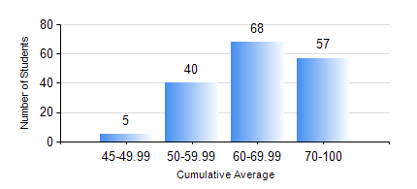
 |  |  | KWAME NKRUMAH UNIVERSITY OF SCIENCE AND TECHNOLOGY, KUMASI Department of Electrical/Electronic Engineering

 |  |  | BSC. ELECTRICAL/ELECTRONIC ENG.

 |  |  | COMPREHENSIVE RECORD OF EXAMINATION RESULTS

 |  |  | RESULTS OF YEAR 4 FIRST SEMESTER, 2021/2022 ACADEMIC YEAR

 | Sn | Course Code |  | Course Name | Credit Hours | Min. Mark | Max. Mark | Avg. Mark | Std. Dev. | No. Passed | No. Trailed | No. (Df) | No. (I) | No. (I*) | No. Tagged(I,I*,Df) | Total
 | 0. |  |  |  |  |  |  | 0 | 0 | 0 | 0 | 0 | 0 | 0 | 0 | 1
 | 1. | COE 475 |  | COMPUTER NETWORKING | 4 | 46 | 96 | 74 | 12.3 | 169 | 0 | 0 | 0 | 0 | 0 | 169
 | 2. | EE 463 |  | SPECIAL ELECTRICAL MACHINES | 3 | 28 | 92 | 61 | 13.15 | 111 | 3 | 0 | 0 | 0 | 0 | 114
 | 3. | EE 467 |  | POWER SYSTEMS OPERATION AND CONTROL | 3 | 28 | 95 | 69 | 15.65 | 160 | 9 | 0 | 0 | 0 | 0 | 169
 | 4. | EE 489 |  | INDUSTRIAL TRAINING | 1 | 70 | 93 | 81 | 5.27 | 169 | 0 | 0 | 0 | 0 | 0 | 169
 | 5. | EE 497 |  | PROJECT I | 3 | 54 | 81 | 69 | 5.91 | 169 | 0 | 0 | 0 | 0 | 0 | 169
 | 6. | ME 491 |  | ENGINEERING ECONOMICS AND MANAGEMENT | 3 | 40 | 92 | 70 | 10.35 | 169 | 0 | 0 | 0 | 0 | 0 | 169
 | 7. | TE 481 |  | WIRELESS DATA COMMUNICATION NETWORK | 3 | 40 | 93 | 67 | 14.16 | 56 | 0 | 0 | 1 | 0 | 1 | 57

